Sheet1
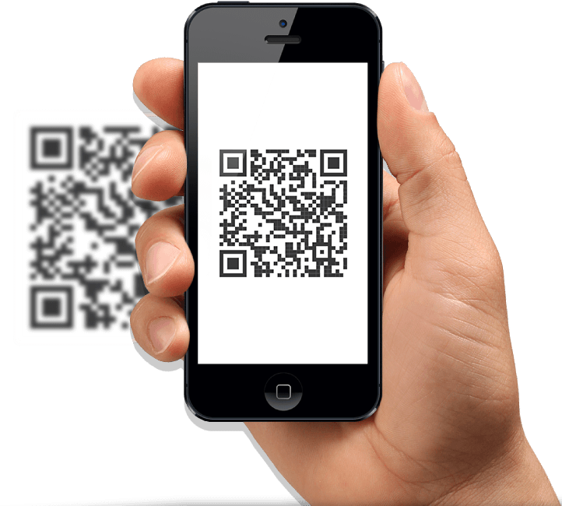
Login with Canvas Account
In class Scan

Student
Class Attendance
Attendance
QR code

View class wise attendance Report
Generate
Bar Code
End the session

Instructor

Sheet3
Application
Instructor
Student 1
Student 2

Generate
QR Code
Login into SmartAttend
Login into SmartAttend

Attendance
QR code
Attendance
QR code
In class Scan
In class Scan
Inactive old QR Codes and generate new QR code for each student

Class Attendance
Class Attendance

End the session

View class wise attendance Report

Sheet2
Group Chat
Cloud Course Group

Group Chat
NA Course Group

Login with Canvas Account
Group Chat
Personal Course Group

Individual Chat

system arch
SYSTEM ARCHITECTURE

USERS
TECHNOLOGY
STACK
Instructor
Students
TECHNOLOGY
STACK

App Store
X-Code
Heroku
GitHub
WebStorm

USERINTERFACE

IOS
Android

BUSINESSLAYER

Authentication
Services
QR Code
Services
User
Management
Services
Attendance
Services
Report
Services

DATABASE

Angular 7

DB
DB
DB
DB

